Data Dictionary
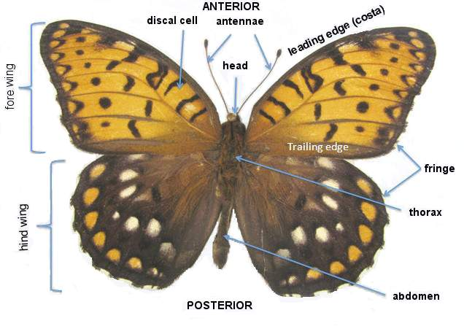
Column | Description
coreid | Primary key (unique)
Institution | Univeristy that catalogued the row
dwc:catalogNumber | ID for the catalog
dwc:institutionCode | Institution
dwc:order | Order
dwc:family | Family
dwc:genus | Genus
dwc:specificEpithet | Epithet
dwc:scientificName | Scientific name
dwc:typeStatus | Unknown, all values blank
dwc:sex | sex
SexUpdated | updated sex, more complete than dwc: sex
units | measurement units
unit/pixel conversion
LWingLength | Left wing length
LWingWidth | Left wing width
LBlackPatchApex | Left black patch apex
LAnteriorSpotM3 | Left anterior spot
LPosteriorSpotCu2 | Left Posterior Spot
LInterspotPA | Left Interspot
RWingLength | Right wing length
RWingWidth | Right wing width
RBlackPatchApex | Right black patch apex
RAnteriorSpotM3 | Right anterior spot
RPosteriorSpotCu2 | Right posterior spot
RInterspotPA | Right interspot
MorphologyNotes | Notes on morphology, anything missing, things to note about butterfly specimen
dwc:eventDate | event date
dwc:startDayOfYear | startDate
dwc:endDayOfYear | End day, mostly empty
dwc:day | dwc:eventDate separated day
dwc:month | dwc:eventDate separated month
dwc:year | dwc:eventDate separated year
dwc:verbatimEventDate | Event date as it appears, likely from from another document
YearUpdated | Year updated information
DayOfYearUpdated | Day of year updated
startDayofYearUpdated | Start day of year updated
endDayofYearUpdated | End day of year updated
dwc:higherGeography | Combined geographical location. Continent; Country; State; County; City
dwc:continent | Continent of observation
dwc:island | Island of observation
dwc:country | Country of observation
dwc:stateProvince | State or province of observation
dwc:county | County of observation
dwc:municipality | Municipality of observation
dwc:locality | Locality as stated by the observation
dwc:decimalLatitude | Latitude of observation
dwc:decimalLongitude | Longitude of observation
dwc:coordinateUncertaintyInMeters | Uncertainty of coordinate measure in meters
DecimalLatitudeUpdated | Updated latitude of observation
DecimalLongitudeUpdated | Updated longitude of observation
UncertaintyInMetersUpdatd | Updated uncertainty in meters
GeoreferenceSourcesUpdated | Updated source used to obtain georeference
GeoreferencedByUpdated | Updated georeference initials
GeoreferencingNotes | Notes about georeferencing
dwc:minimumElevationInMeters | Minimum possible elevation in meters
dwc:verbatimLatitude | Latitude of observation as stated by source
dwc:verbatimLongitude | Longitude of observation as stated by source
dwc:verbatimLocality | Locality of observation as stated by source
dwc:verbatimCoordinates | Coordinates of observation as stated by source
dwc:verbatimElevation | Elevation of observation as stated by source
dwc:georeferenceSources | Source of georeference
dwc:georeferenceRemarks | Remarks about the georeference
dwc:geodeticDatum | Datum/Coordinate plane of georeference
dwc:georeferenceProtocol | Georeference protocol
dwc:georeferencedDate | Date of georeference
dwc:georeferencedBy | Who did the georeferencing
dwc:georeferenceVerificationStatus | Status of verification of georeference
dwc:preparations | Tracking preparations
dwc:occurrenceRemarks | Remarks about preparations
dwc:individualCount | Count ofspecimen (1 or 2)
dwc:lifeStage | Stage of life of specimen
dwc:habitat | Habitat of specimen
dwc:datasetID | Dataset ID, where the dataset comes from or can be found
dwc:recordedBy | Who recorded the observation

